Road Conditions
ROAD CONDITION SCORE

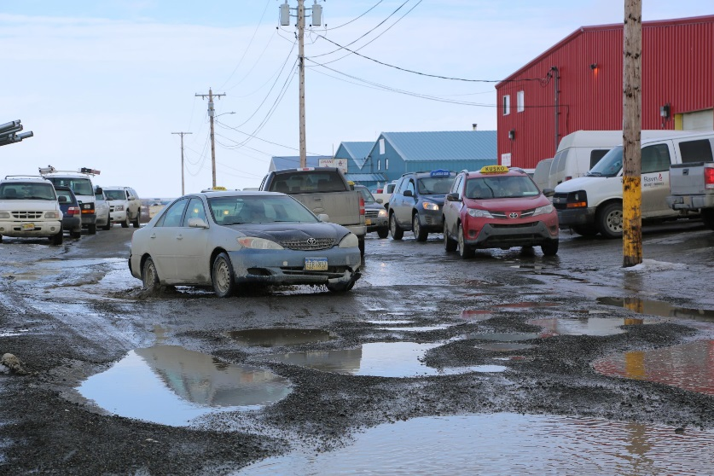

Road Condition Score | 2

0 = Paved/not paved and well-maintained
1 = Paved/not paved and not well-maintained
2 = Minimal potholes that remain longer than two weeks
3 = Significant potholes that remain longer than two weeks

Facility(ies)
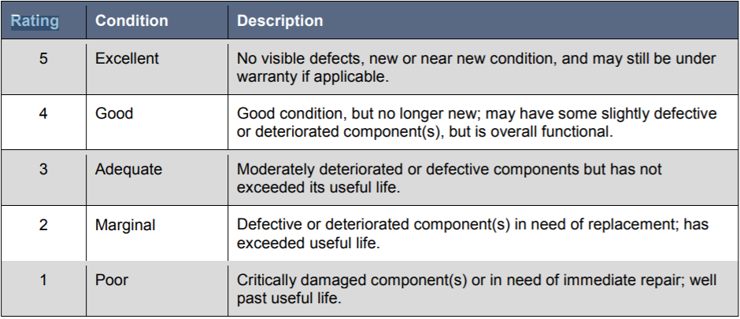
 |  | FY 2018 FACILITY REPORT
Full/Partial Capital Responsibility? | Is the Facility(ies) dedicated to transit? | Primary Mode |  | Facility Type
Check if yes. |  | MB | DR | Admin | Main. | PassengerParking | Transfer Center | *Rating | Date Built | Square Feet | Address
Bethel, City of
Yes | Yes | X |  | X |  |  |  | 4 | 1980's | 5300 | 470 A 4th Ave, Bethel
CARTS
Yes | Yes |  | X | X |  |  |  | 4 | approx 1993 | 10,000 | 35139 K B Drive, Soldotna
Center for Community
No facilities at 50' or larger.
Glacier Valley Transit
Partial | No | X |  | X |  |  |  | 2 | 1958 | 90 | Alyeska Business Office, Girdwood
Gulkana Village Council
Maintenance services contracted out, administrative office less than 50', no vehicle storage facility
Inter-Island Ferry
Yes | Yes | Ferry |  |  |  |  |  | 5 | 2012
Juneau, City & Borough
Yes | Yes | X | x | X | X |  |  | 4 | 1974 | 27,366 | 10099 Bentwood Place
Yes | Yes | X |  |  |  | X | X | 4 | 2009 | 91,007 | 100 Main Street
Ketchikan Gateway Borough
Yes | Yes | X |  | X | X |  |  | 3 | 2008 |  | 1175 Copper Ridge Ln
Senior Citizens of Kodiak
No | No |  | X | X |  |  |  | 4 | 1985 | 200 | 302 Erskine Ave. Kodiak
Sunshine Transit
No | No |  | X | X |  |  |  |  | 2004 | 540 | 23375 W Beluga Ave, Willow
No | No |  | X | X |  |  |  |  | 1984 | 160 | 28468 S Talkeetna Spur Rd, Talkeetna
No | No |  | X |  | X |  |  |  | 1984 | 2400 | 28468 S Talkeetna Spur Rd, Talkeetna
Valley Transit
Yes | Yes | X |  | X | X | X |  | 3 | 2006 | 8136 | 8336 W Parks Highway Wasilla
Yes | Yes |  | X | X | X |  |  | 4 | 2006 | 7285 | 225 W Riley Ave Wasilla

 |  | *Rating is only required if you have full or partial capital responsibility.

